SC select
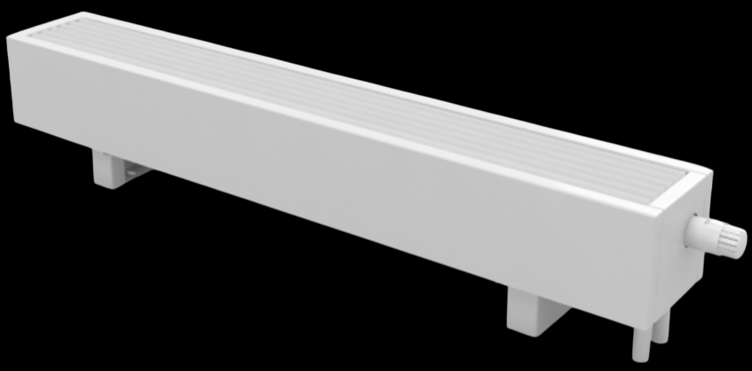
 |  |  |  |  |  |  |  |  |  |  |  |  |  |  |  |  |  |  |  |  |  |  |  | Incoming water temperature, °C | 75
 |  |  |  |  |  |  |  |  |  |  |  |  |  |  |  |  |  |  |  |  |  |  |  | Outgoing water temperature, °C | 65
 |  |  |  |  |  |  |  |  |  |  |  |  |  |  |  |  |  |  |  |  |  |  |  | Room temperature, °C | 20

 |  |  |  |  |  |  |  | Free standing convectors SC |  |  |  |  |  |  |  |  |  |  |  |  |  |  |  | Desired heat output, W | 2,000
 |  |  |  |  |  |  |  |  |  |  |  |  |  |  |  |  |  |  |  | #REF! |  |  |  | Error + | 5%
 |  |  |  |  |  |  |  | Heat outputs, W |  |  |  |  |  |  |  |  |  |  |  |  |  |  |  | Error - | 0%
 |  |  |  |  |  |  |  |  |  |  |  |  |  |  |  |  |  |  |  |  |  |  |  | Max length, cm | 300

Width, cm | Height, cm | Length, cm
 |  | 60 | 70 | 80 | 90 | 100 | 110 | 120 | 130 | 140 | 150 | 160 | 170 | 180 | 190 | 200 | 210 | 220 | 230 | 240 | 250 | 260 | 270 | 280 | 290
14 | 8 | 178 | 223 | 269 | 314 | 359 | 404 | 449 | 494 | 539 | 585 | 630 | 675 | 720 | 765 | 810 | 855 | 901 | 946 | 991 | 1,036 | 1,081 | 1,126 | 1,171 | 1,217
 | 13 | 272 | 341 | 410 | 479 | 548 | 617 | 686 | 755 | 824 | 893 | 962 | 1,031 | 1,100 | 1,169 | 1,238 | 1,307 | 1,376 | 1,445 | 1,514 | 1,583 | 1,652 | 1,721 | 1,790 | 1,859
 | 18 | 324 | 407 | 489 | 571 | 653 | 735 | 817 | 900 | 982 | 1,064 | 1,146 | 1,228 | 1,310 | 1,392 | 1,475 | 1,557 | 1,639 | 1,721 | 1,803 | 1,885 | 1,968 | 2,050 | 2,132 | 2,214
 | 23 | 377 | 472 | 567 | 663 | 758 | 853 | 948 | 1,044 | 1,139 | 1,234 | 1,330 | 1,425 | 1,520 | 1,616 | 1,711 | 1,806 | 1,902 | 1,997 | 2,092 | 2,188 | 2,283 | 2,378 | 2,474 | 2,569
19 | 8 | 267 | 335 | 403 | 471 | 538 | 606 | 674 | 741 | 809 | 877 | 945 | 1,012 | 1,080 | 1,148 | 1,215 | 1,283 | 1,351 | 1,419 | 1,486 | 1,554 | 1,622 | 1,689 | 1,757 | 1,825
 | 13 | 409 | 512 | 616 | 719 | 823 | 926 | 1,029 | 1,133 | 1,236 | 1,340 | 1,443 | 1,547 | 1,650 | 1,754 | 1,857 | 1,961 | 2,064 | 2,168 | 2,271 | 2,374 | 2,478 | 2,581 | 2,685 | 2,788
 | 18 | 487 | 610 | 733 | 856 | 980 | 1,103 | 1,226 | 1,349 | 1,473 | 1,596 | 1,719 | 1,842 | 1,965 | 2,089 | 2,212 | 2,335 | 2,458 | 2,582 | 2,705 | 2,828 | 2,951 | 3,074 | 3,198 | 3,321
 | 23 | 562 | 704 | 846 | 988 | 1,130 | 1,273 | 1,415 | 1,557 | 1,699 | 1,841 | 1,984 | 2,126 | 2,268 | 2,410 | 2,552 | 2,695 | 2,837 | 2,979 | 3,121 | 3,263 | 3,406 | 3,548 | 3,690 | 3,832
24 | 8 | 373 | 467 | 562 | 656 | 750 | 845 | 939 | 1,034 | 1,128 | 1,222 | 1,317 | 1,411 | 1,505 | 1,600 | 1,694 | 1,789 | 1,883 | 1,977 | 2,072 | 2,166 | 2,261 | 2,355 | 2,449 | 2,544
 | 13 | 571 | 715 | 860 | 1,004 | 1,148 | 1,293 | 1,437 | 1,582 | 1,726 | 1,871 | 2,015 | 2,160 | 2,304 | 2,448 | 2,593 | 2,737 | 2,882 | 3,026 | 3,171 | 3,315 | 3,460 | 3,604 | 3,749 | 3,893
 | 18 | 659 | 825 | 992 | 1,159 | 1,326 | 1,492 | 1,659 | 1,826 | 1,993 | 2,160 | 2,326 | 2,493 | 2,660 | 2,827 | 2,993 | 3,160 | 3,327 | 3,494 | 3,660 | 3,827 | 3,994 | 4,161 | 4,327 | 4,494
 | 23 | 747 | 936 | 1,125 | 1,314 | 1,503 | 1,692 | 1,881 | 2,070 | 2,259 | 2,448 | 2,637 | 2,827 | 3,016 | 3,205 | 3,394 | 3,583 | 3,772 | 3,961 | 4,150 | 4,339 | 4,528 | 4,717 | 4,906 | 5,095
Data in the table based on testing according EN16430 results by independent laboratory

